Test Report
Test Report
 | Project | Website Fahasa bán sách
 | Build Version
 | Report Date | 2025-11-12
 | Prepared by | Nguyễn Hoàng Hiếu, Lâm Diệu Quang

1. Test Execution Summary

2.1 Test Environment
 | Frontend: Vite Reactjs TypeScript
 | Backend: Spring Boot Maven
 | Database: MySQL
 | Test Tool: Postman
 | CI/CD: Github Actions
 | Web-browser: Chorme

2.2 Test Coverage Summary
No | Description | # Test Cases | Remarks
1 | Tổng số test case | 72
2 | Số test case đã chạy | 72
3 | Số test case đã passed | 70
4 | Số test case đã Failed | 2
5 | Số test case đã bị Blocked | 0
6 | Số test case chưa chạy | 0
Total |  | 2

2.3 Defect Summary |  | Defect Severity
No | Description | Critical | High | Medium | Low | Remarks
1 | Total defects detected | 0 | 0 | 1 | 1
2 | Number of defects fixed | 0 | 0 | 1 | 1 | Lỗi không ảnh hưởng nhiều đến nghiệp vụ
3 | Number of defects remain open | 0 | 0 | 0 | 0

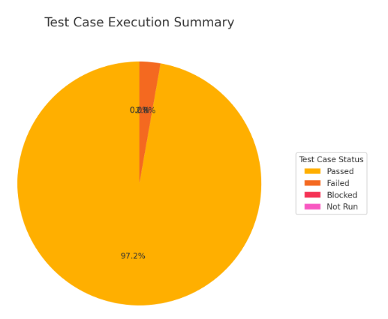
Defect Distribution

